STH Live Project Test Cases
 | Project Name | CRC car rental management system
 | Team Name | IFB-299 Group 77 (Team-A)
 | Documented by | Mingze Dai
 | Date of creation | 17-Oct-18
 | Date of review | 25-Oct-18
 | User stories involved | User Story 5: Sign up, User Story 24: History Data Mange (Edit), User Story 27: Car description User Story 29: Filtering (Customer accessible page), User Story 30: Filtering (History/Data manage)
Test case ID | Test Objective | Precondition | Steps: | Test data | Expected result / Acceptance criteria | Post-condition | Test Status
CRC_TC_01 | Build up a sign up page so that company users can create their own account to have access to the system | 1. A certain browser should be installed in the user's computer (e.g. Google Chrome) 2. Login page created and have a "sign up" button with hyperlink which connect to the actual sign up page. | 1. Go to the company homepage 2. Cliick on the "sign up" button to create a new account by providing general personal information, such as his first name/last name, address, DOB, phone number, email address, etc Note: If missing an important input field (e.g. password/username) or signing up account already existed, display an error massege. | 1. A valid URL http://127.0.0.1:8000/ 2. user account information 3. connection between webpage and users' database | 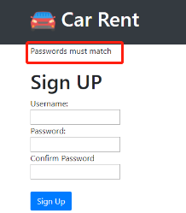 1. A highlighted sign up hyperlink below the login button 2. After successgully singup, user information saved into company’s user information database Note: Error message shown up when there’s missing message or account was already existed | Created account can have access to any of the managing page: data managing page/ most popular car details Note: The personal information criteria might vary according to the company’s security level | Passed

CRC_TC_02 | Browse data about the entire history of customer’s personal records and their rental services so that company staff can access and correct the inaccuracies when needed. | 1. The web application is launched on a compatible browser 2. User account is valid 3. Button "edit" and "save" are already created | 1. Log in to the "Management System" menus with currently existing username and password 2. Cliick on the "History" menu to navigate to the History page 3. Click on the "Edit" button to edit existed customers' data 4. Click on the "Save" button to save all changes into users' database | connection between webpage and users' database | 1. Prototype for functionality edit page operates well 2. Pop out a form with input field for company user to insert details when clicking "edit" button 3. Clicking on a button “edit” in the navigation page allows the management staff to edit, add and delete data from the saved data lists 4. Once the “save” button is clicked on, all input user information will be saved into user’s database | Changed data are successfully updated in the database Note: this is a place where company user can manage(edit or delete) the information | Passed
CRC_TC_03 | Browse customer accessible page and provide some general car information based on the company’s database, such as car brand, car body type, and others, so that customers can gain better understandings of company products and services. | 1. Customer has a lunched browser 2. Customer accessible page operates well | 1. Go to the company homepage 2. Click on "if you are a customer" hyperlink | 1.Customer accessiable page 2. connection between rental details and car information | 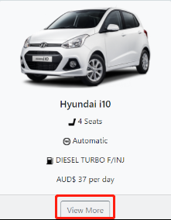 1. After clicking "if you are a customer", the customer accessiable page pops out 2. All detailed information is shown by clicking a “view more” button next to car information and these details are automatically updated by the car database system. | All information is shown by clicking a “view more” button and these details are automatically updated by the car database system | Passed
CRC_TC_04 | Check the connection between the system and users' database | 1. The web application is launched on a compatible browser 2. Valid account 3. database operates well | 1. Log in to the "Management System" menus with valid username and password 2. Click on the "History" menu to navigate to the customer data page 3. Click on the "edit" and "save"button to edit and save updated customers' detail 4. Fill up the required fields 5. Check if the new information has been uptaded | Login options (username and password) Customer information Car information Order information Reantal store information | All data changed are saved and updated |  | Passed
CRC_TC_05 | Check if the customer accessible page provides a filtering function that sorts cars by different features so that customers can easily search for my ideal car. | 1. Customer has a lunched browser 2. Customer accessible page operates well 3. Sorting function operated well | 1. Open the customer accessible page 2. Click on "Car make name" drop down bar to filtering cap types | Car information | 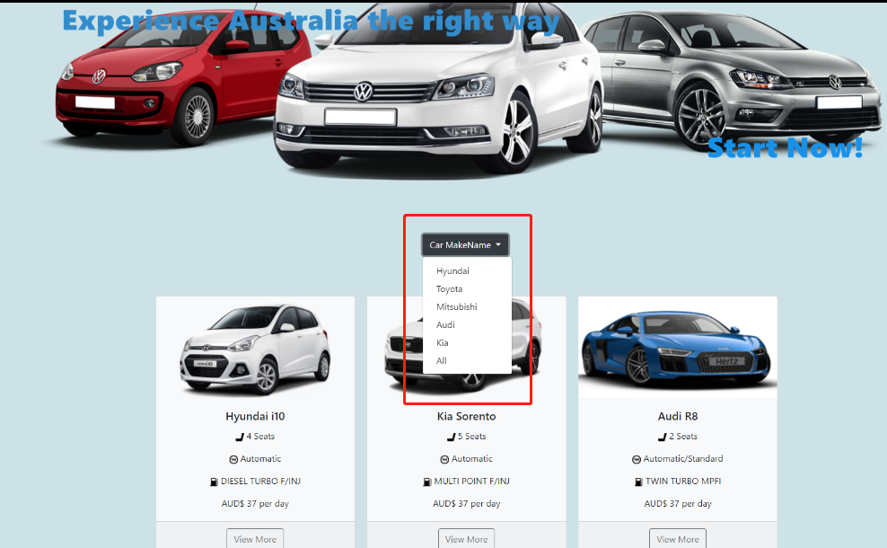 Click on the drop down bar will deplays different kind of car brand | Car information automatically update | Passed
CRC_TC_06 | Check if the history/data manage menu provides a filtering function that sorts data by different dimensions so that company users can efficiently access and manage the data. | 1. The web application is launched on a compatible browser 2. User account is valid 3. Filtering fuction opeartes well | 1. Login to the data manage page 2. Click on the arrowhead at the right of each heading cells | users databse | After clicking the arrowhead, data will sorted by Initial or numerical order unsorted sorted | Order information automatically update | Passed

